CLUSTER SET 1
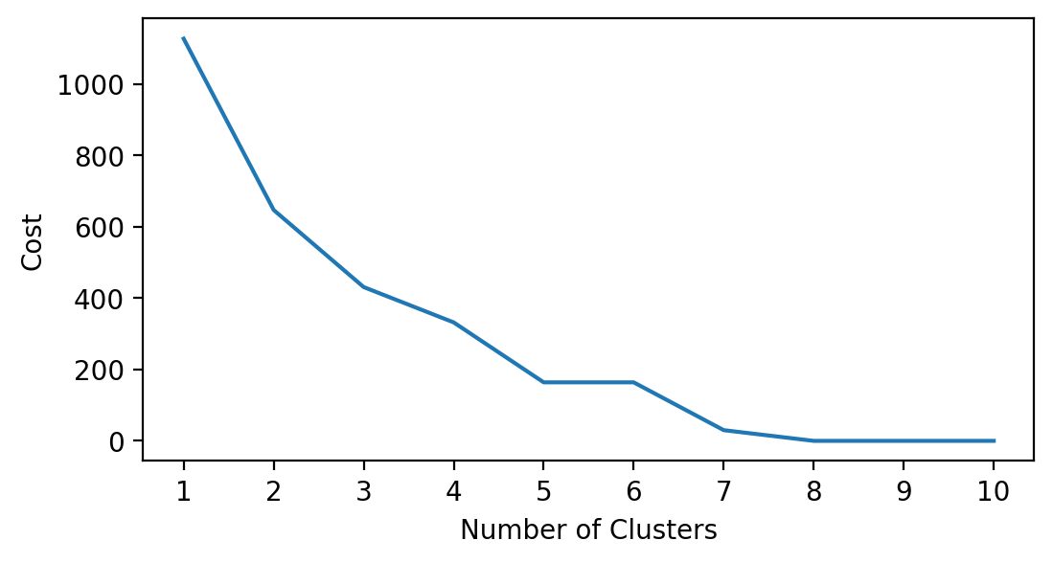
CLUSTER SET 1 : saved, account, emp_in
1. Employment status: included to identify if they have a source of income that they can use to build their savings
2. Account: to determine if they place their savings in a financial institution

cluster | has saved | has account | employment status | Classification
0 | has saved | has account | employed | people who set a side a part of their income in a financial institution
1 | did not saved | does not have account | unemployed | no source of income and no savings
2 | has saved | does not have account | employed | people who set a side a part of their income but not in a financial institution
3 | did not saved | does not have account | employed | people who can't save because they are living pay check to pay check
4 | has saved | does not have account | unemployed | unemployed but has savings and account. Source of savings maybe from remittances/allowances from partners/gov support

labels | has saved | has account | employment status | Classification
0 | did not saved | does not have account | unemployed | no source of income and no savings
1 | has saved | has account | employed | people who set a side a part of their income in a financial institution
2 | has saved | does not have account | unemployed | unemployed but has savings not stored in an FI. Source of savings maybe from remittances/allowances from partners/gov support
3 | did not saved | does not have account | employed | people who can't save because they are living pay check to pay check
4 | has saved | does not have account | employed | people who set a side a part of their income but not in a financial institution
5 | did not saved | has account | employed | people who receive their salary through a financial institution but has no savings
6 | has saved | has account | unemployed | unemployed but has savings stored in an FI. Source of savings maybe from remittances/allowances from partners/gov support

CLUSTER SET 2
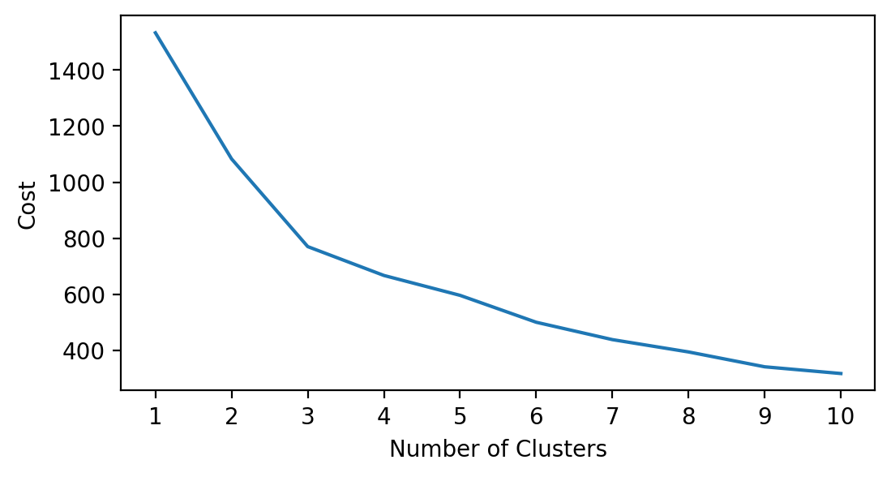
CLUSTER SET 2 : saved, account, emp_in, educ
1. Educational attainment: included to identify if they have access to employment opportunities that can help them save
2. Employment status: included to identify if they have a source of income that they can use to build their savings
3. Account: to determine if they place their savings in a financial institution

labels | has saved | has account | employment status | educational background | Classification
0 | did not saved | does not have account | employed | secondary | people who can't save because they are living pay check to pay check
1 | has saved | has account | unemployed | secondary | unemployed but has source of savings other than income; can be allowances/remittances; savings in FI (stay at home)
2 | has saved | has account | employed | completed tertiary or more | people who has best access to better opportunities because of their level of educ; current income has allowance for savings put in an account
3 | has saved | does not have account | employed | secondary | people who set a side a part of their income but not in a financial institution
4 | has saved | has account | employed | secondary | people who has less access to better opportunities because of their level of educ but got a job; current income has allowance for savings put in an account
5 | did not saved | does not have account | unemployed | completed primary or less | people who has the least access to better opps; unemployed and no savings

labels | has saved | has account | employment status | educational background | Classification
0 | has saved | does not have account | unemployed | completed primary or less
1 | has saved | has account | employed | secondary
2 | has saved | does not have account | unemployed | secondary
3 | did not saved | does not have account | employed | secondary
4 | has saved | has account | employed | completed tertiary or more | people who has access to better opportunities because of their level of educ; current income has allowance for savings put in an account
5 | did not saved | does not have account | unemployed | secondary
6 | has saved | does not have account | employed | secondary

labels | has saved | has account | employment status | educational background | Classification
0 | did not saved | does not have account | employed | secondary
1 | has saved | has account | unemployed | secondary
2 | has saved | has account | employed | completed tertiary or more
3 | has saved | does not have account | employed | secondary
4 | has saved | has account | employed | secondary
5 | did not saved | does not have account | unemployed | completed primary or less
6 | did not saved | has account | employed | completed primary or less
7 | did not saved | does not have account | unemployed | secondary

labels | has saved | has account | employment status | educational background | Classification
0 | did not saved | does not have account | employed | secondary
1 | has saved | has account | unemployed | secondary
2 | has saved | does not have account | employed | completed primary or less
3 | has saved | has account | employed | completed tertiary or more
4 | did not saved | has account | unemployed | completed primary or less
5 | has saved | has account | employed | secondary
6 | did not saved | does not have account | unemployed | completed primary or less
7 | did not saved | does not have account | employed | completed primary or less
8 | has saved | does not have account | employed | secondary

CLUSTER SET 3
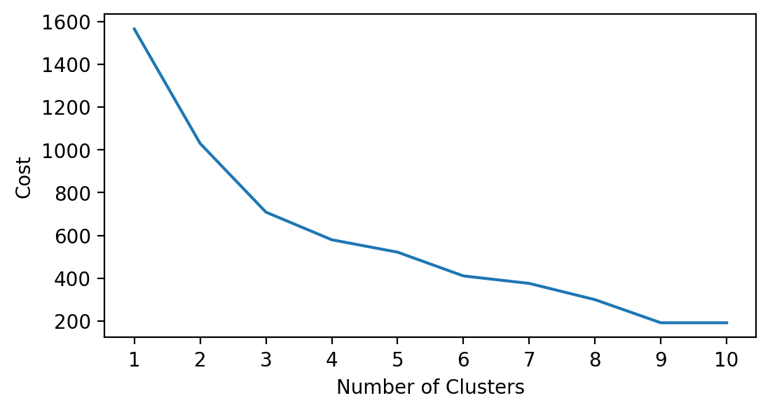
CLUSTER SET 3 : saved, account, emp_in, female
1. Educational attainment: included to identify if they have access to employment opportunities that can help them save
2. Employment status: included to identify if they have a source of income that they can use to build their savings
3. Account: to determine if they place their savings in a financial institution
4. Gender: in PH, normally females are the ones who give up their career when they marry

labels | female | saved | account | emp_in | Classification
0 | female | did not saved | does not have account | unemployed
1 | female | has saved | has account | employed
2 | male | has saved | does not have account | employed
3 | male | has saved | has account | employed
4 | male | did not saved | does not have account | unemployed

labels | female | saved | account | emp_in | Classification
0 | male | did not saved | does not have account | employed
1 | male | has saved | has account | employed
2 | female | has saved | has account | employed
3 | male | has saved | does not have account | employed
4 | female | has saved | does not have account | unemployed
5 | female | did not saved | does not have account | unemployed

labels | female | saved | account | emp_in | Classification
0 | female | has saved | has account | employed
1 | female | did not saved | does not have account | unemployed
2 | male | has saved | does not have account | employed
3 | female | has saved | does not have account | employed
4 | male | has saved | does not have account | unemployed
5 | male | did not saved | does not have account | employed
6 | female | did not saved | does not have account | employed

labels | female | saved | account | emp_in | Classification
0 | male | did not saved | does not have account | employed
1 | female | has saved | has account | employed
2 | female | has saved | does not have account | employed
3 | male | has saved | does not have account | employed
4 | female | has saved | does not have account | unemployed
5 | female | did not saved | does not have account | unemployed
6 | male | has saved | has account | employed
7 | male | did not saved | has account | unemployed

